TRAUMA - JEIL
Tipo Producto | Codigo | Set | IMAGEN | INSTRUMENTAL USADA | INSTRUMENTAL NUEVA | TOTAL | PRECIO INSTRUMENTAL USADA $ DOLARES | PRECIO INSTRUMENTAL NUEVO $ DOLARES | TOTAL USADO | TOTAL NUEVA
Implants | 112-050 | H1 Implants Tray (Ø1.2, Ø1.5, Ø1.8) |  | 0 | 4 | 4 | 500 | 1,500 | - | 6,000
Implants | 112-051 | H2 Implants Tray (Ø2.0, Ø2.3, Ø2.5) |  | 0 | 4 | 4 | 500 | 1,500 | - | 6,000
Implants | 112-053 | Locking Implants Tray (Ø2.0, Ø2.3) |  | 0 | 0 | 0 | 500 | 1,500 | - | -
Instruments | 112-118 | ARIX Wrist System Carpal Fusion Plate |  | 0 | 0 | 0 |  |  | - | -
Instruments | 112-084 | ARIX Volar Distal Radius System Full Container |  | 0 | 3 | 3 | 1,000 | 2,300 | - | 6,900
Instruments | 112-084 | ARIX Volar Distal Radius Implant / Instrument Container | 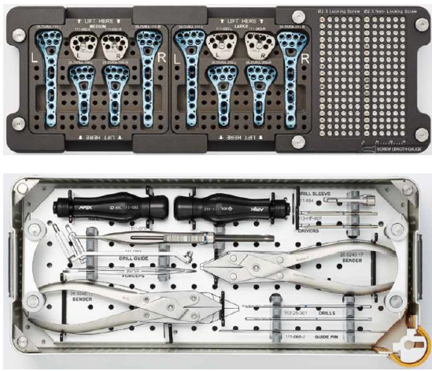 | 0 |  | 0 | 1,000 |  | - | -
Instruments | 112-122 | ARIX Humerus System |  |  | 2 | 2 | 1,000 | 2,500 | - | 5,000
Instruments | 112-114 | ARIX Diaphysis System Tray | 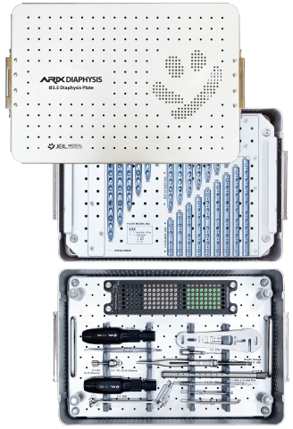 | 0 | 3 | 3 | 1,000 | 2,400 | - | 7,200
Instruments | 112-087 | ARIX ANKLE Ø3.5 Distal Fibula Plate System | 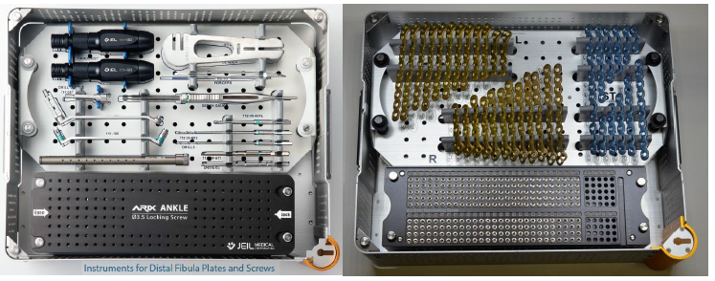 | 0 |  | 0 | 1,000 |  | - | -
 |  |  |  |  |  |  |  |  | - | 31,100

